HDGETF
HDFC Gold Exchange Traded Fund. (AN OPEN ENDED EXCHANGE TRADED FUND) |  |  |  |  |  |  |  |  |  | Income | Hybrid
Portfolio as on 31-Jul-2022

 | ISIN | Coupon (%) | Name Of the Instrument | Industry+ /Rating | Quantity | Market/ Fair Value (Rs. in Lacs.) | % to NAV | Yield | ~YTC (AT1/Tier 2 bonds)
 | DEBT INSTRUMENTS
 | (a) Listed / awaiting listing on Stock Exchanges
 | Gold
l | INFGLDBAR1KG |  | Gold - Gold |  | 6,109 | 313,846.53 | 97.89
 | Sub Total |  |  |  |  | 313,846.53 | 97.89
 | Total |  |  |  |  | 313,846.53 | 97.89
 | MONEY MARKET INSTRUMENTS
 | TREPS - Tri-party Repo
 |  |  | TREPS - Tri-party Repo |  |  | 60.07 | 0.02 | 4.9743
 | Reverse Repo
 |  |  | Reverse Repo |  |  | 35.05 | 0.01 | 5.0788
 | Sub Total |  |  |  |  | 95.12 | 0.03
 | Total |  |  |  |  | 95.12 | 0.03
 | OTHERS
 | Net Current Assets
 |  |  | Net Current Assets |  |  | 6,673.80 | 2.08
 | Sub Total |  |  |  |  | 6,673.80 | 2.08
 | Total |  |  |  |  | 6,673.80 | 2.08

 | Grand Total |  |  |  |  | 320,615.45 | 100.00
| | Top Seven Holdings
 | + Industry Classification as recommended by AMFI
 | £ Sponsor
 | ** Thinly Traded/ Non-Traded Securities (Equity) as on July 29, 2022
 | ^ Non-Traded Securities (Debt) as on July 29, 2022
 | # Non Sensex Scrips
 | @ Less than 0.01%.
 | ~ YTC i.e. Yield to Call is disclosed at security level only for Additional Tier 1 Bonds and Tier 2 Bonds issued by Banks as per AMFI Best Practices Notification 135/BP/91/2020-21 read with SEBI circular SEBI/HO/IMD/DF4/CIR/P/2021/034

 | Portfolio Classification by Asset Class(%)
 | Gold |  | 97.89
 | Cash, Cash Equivalents and Net Current Assets |  | 2.11
 | Portfolio Classification by Rating Class(%)
 | Gold |  | 97.89
 | Cash, Cash Equivalents and Net Current Assets |  | 2.11

 | Notes :
 | 1) NAV History
 | NAVs per unit (Rs.) | July 29, 2022 | June 30, 2022
 | Growth Option | 45.5294 | 45.0498

 | Dividend History - Dividend declared during the month ended July 31, 2022 : Nil

 | 2) Total below investment grade or default provided for and its percentage to NAV : Nil
 | 3) Total investments in Foreign Securities / Overseas ETFs / ADRs / GDRs : Nil
 | 4) Repo in Corporate Debt : Nil
 | 5) Total outstanding exposure in Derivative Instruments as on Jul 31, 2022 : Nil
 | 6) Pursuant to SEBI Circular SEBI/HO/IMD/DF3/CIR/P/2020/194 dated October 05, 2020, name of all the existing dividend plan / option of all mutual fund schemes has been renamed as IDCW (Income Distribution cum Capital Withdrawal) Plan / Option with effect from April 01, 2021
 | 7) Riskometer based on Scheme Portfolio and Portfolio Benchmark "Domestic Price of Physical Gold" as on Jul 31, 2022

 | Scheme Riskometer:
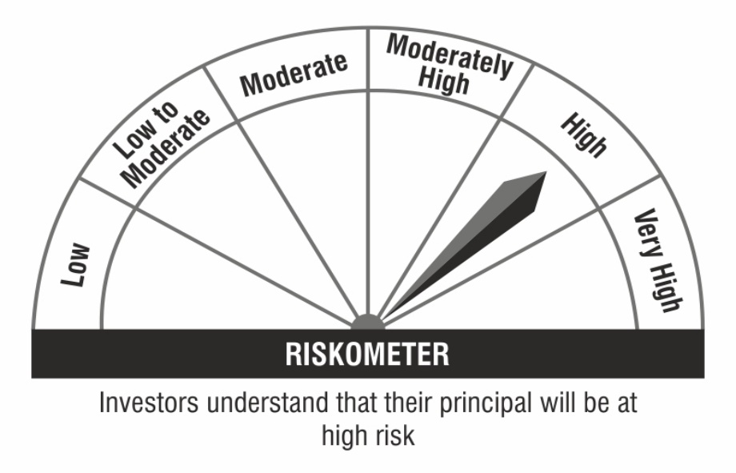

 | Benchmark Riskometer:


 | Exposure to top four sectors
 | Sector | % to NAV
 | Gold | 97.89

 | Exposure to top seven groups
 | Management Group | % to NAV
 | Gold | 97.89

